Sheet1
Gopher Drugs

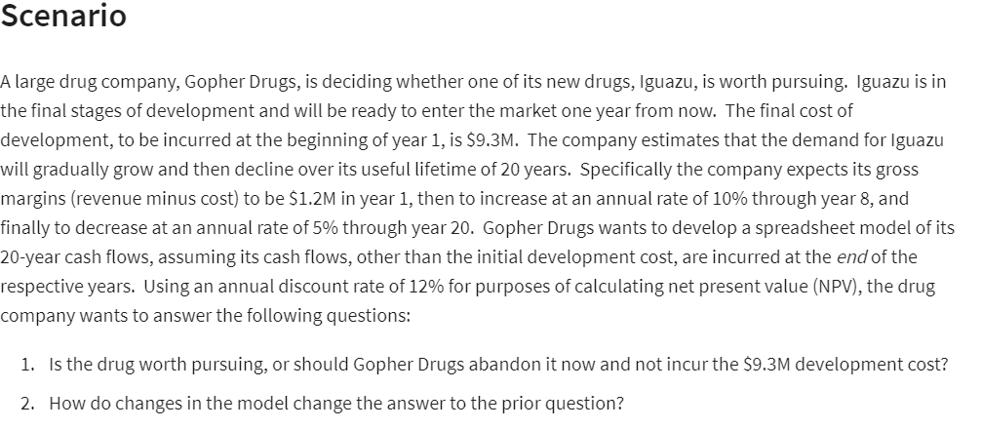
Year | 1
Cost | $9.30 | millions
Revenue | $10.50 | millions |  | Year | Cash Inflow (end of year)
Gross margin | $1.20 | millions |  | 1 | $30,000
annual rate | 10% | from year 1 to 8 |  | 2 | $65,000
annual rate decreased | 5% | from year 9 to 20 |  | 3 | $80,000
annual discount rate | 12% |  |  | 4 | $75,000
Year | 7 |  |  | 5 | $55,000
(Net) Present Value | $11.85
Development Cost: | $9.30 |  |  |  | $150,000
Net Present Value: | $2.55 | millions |  |  | 15%
 |  |  |  |  | $48,063.81

Year | gross margin |  | profit flow
1 | $1.20 |  | $(8.10)
2 | $1.32 | =IF(A18<$B$10+1,B17*(1+$B$7),B17*(1-$B$8)) | $(7.08)
3 | $1.45 |  | $(6.09)
4 | $1.60 |  | $(5.13)
5 | $1.76 |  | $(4.20)
6 | $1.93 |  | $(3.31)
7 | $2.13 |  | $(2.44)
8 | $2.02 |  | $(1.71)
9 | $1.92 | =IF(A25<$B$10+1,B24*(1+$B$7),B24*(1-$B$8)) | $(1.10)
10 | $1.82 |  | $(0.60)
11 | $1.73 |  | $(0.17)
12 | $1.64 |  | $0.18
13 | $1.56 |  | $0.48
14 | $1.48 |  | $0.73
15 | $1.41 |  | $0.94
16 | $1.34 |  | $1.11
17 | $1.27 |  | $1.25
18 | $1.21 |  | $1.37
19 | $1.15 |  | $1.48
20 | $1.09 |  | $1.56

